DASHBOARD
AVG AGE
AVG SCORE
GENDER DISTRIBUTION
 | Total
Female | 5103
Male | 12314
Recruitment Channel Analysis
 | Total
other | 9751
referred | 317
sourcing | 7349
Employees by Dept
 | Total
Analytics | 1697
Finance | 802
HR | 833
Legal | 332
Operations | 3524
Procurement | 2240
R&D | 332
Sales & Marketing | 5458
Technology | 2199
63
35

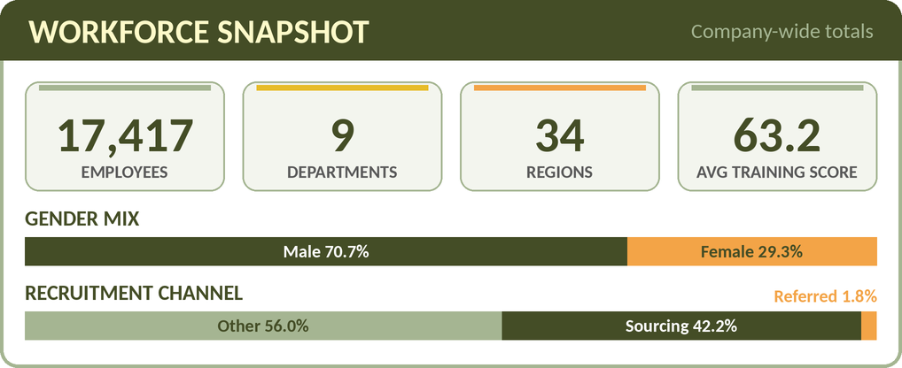

Employees by region
 | Total
Region 2 | 3918
Region 22 | 1990
Region 7 | 1488
Region 13 | 860
Region 15 | 843
Region 26 | 748
Region 31 | 646
Region 4 | 571
Region 27 | 516
Region 16 | 452
Region 28 | 430
Region 11 | 420
Region 23 | 376
Region 32 | 318
Region 19 | 315
Region 29 | 308
Region 17 | 268
Region 14 | 265
Region 5 | 252
Region 25 | 248
Region 20 | 242
Region 6 | 220
Region 8 | 209
Region 30 | 209
Region 10 | 209
Region 1 | 174
Region 24 | 165
Region 12 | 156
Region 9 | 134
Region 21 | 129
Region 34 | 123
Region 3 | 110
Region 33 | 91
Region 18 | 14
Avg Training Score by Department
 | Total
Analytics | 84.565114909
Finance | 60.326683292
HR | 50.387755102
Legal | 59.53313253
Operations | 60.351589103
Procurement | 70.180357143
R&D | 84.451807229
Sales & Marketing | 50.056614144
Technology | 79.847658026
 | Total
Analytics | 40%
Finance | 40%
HR | 36%
Legal | 36%
Operations | 44%
Procurement | 37%
R&D | 45%
Sales & Marketing | 28%
Technology | 36%

KEY INSIGHTS

Technical teams lead
Analytics (84.6) and R&D (84.5) have the highest average training scores. R&D also has the best KPI rate (44.9%).
Biggest team, weakest results
Sales & Marketing is 31% of staff (5,458) but has the lowest average training score (50.1) and the lowest KPI rate: 27.7% met >80% of KPIs vs 35.9% company-wide.
Gender and hiring mix
The workforce is 70.7% male and 29.3% female. 56% of employees came through "other" channels, 42% through sourcing and only 1.8% through referrals.
Regional concentration
Region 2 alone holds 22.5% of employees (3,918). 9 of the 34 regions have fewer than 200 employees each.
Data notes
1,363 records (7.8%) have no previous-year rating and 3 employee_id values repeat. Check these before using the data for performance decisions.

